AD supplier (Groceries)
DATE | ITEM | QYT | PRICE | SUBTOTAL | TOTAL | BILLS
2-Feb-2026 | MOZARELLA CHEESE | 4.6 | Rp120,000 | Rp552,000 | Rp2,982,000 | 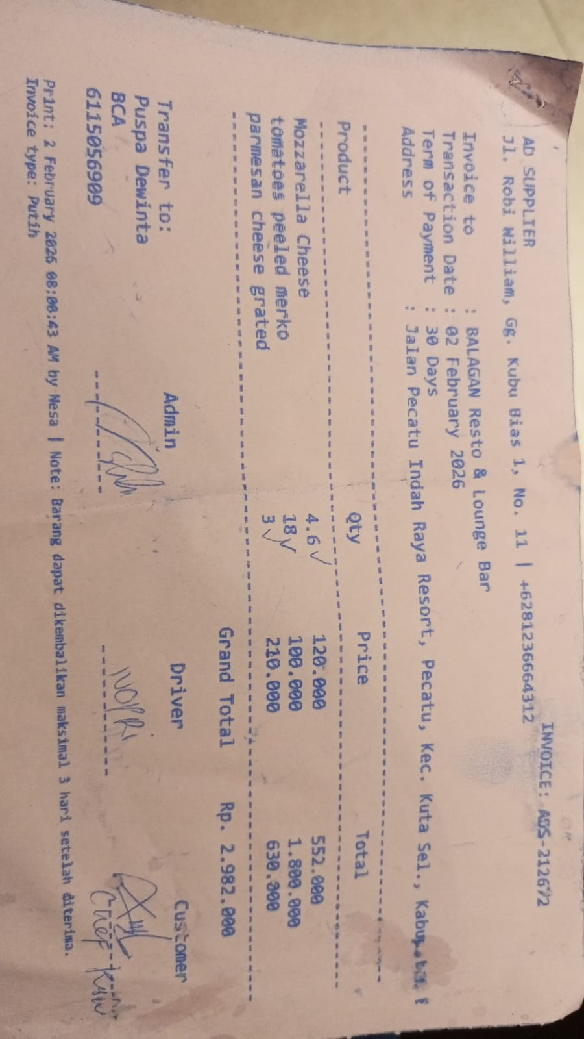
 | CANNED PEELED TOMATOES (MERKO) | 18 | Rp100,000 | Rp1,800,000
 | PARMESAN CHEESE GRATED | 3 | Rp210,000 | Rp630,000
2-Feb-2026 | BORGES EXTRA VIRGIN OIL 5L | 1 | Rp1,300,000 | Rp1,300,000 | Rp1,300,000 | 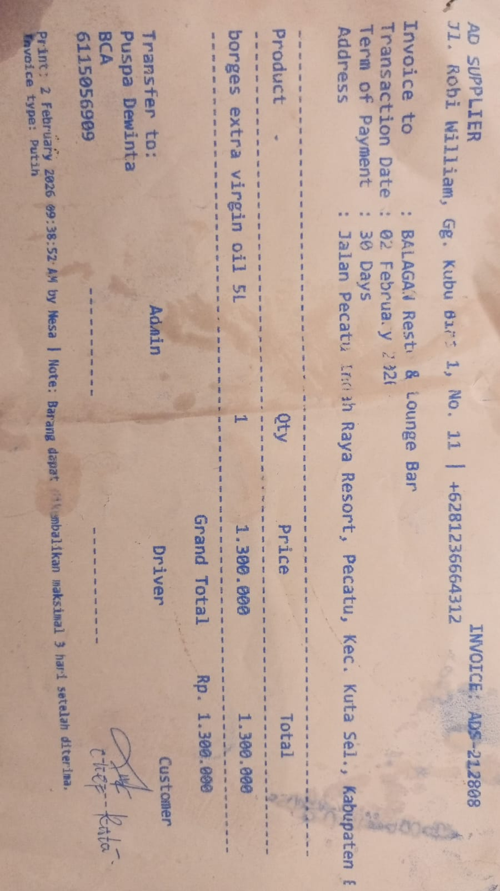

 |  |  |  |  | Rp4,282,000

RAFI SEAFOOD (Seafood)
DATE | DESCRIPTION | QUANTITY | PRICE | BILLS | SUBTOTAL | TOTAL
1-Feb-2026 | SALMON | 2.25 | IDR 370,000 | 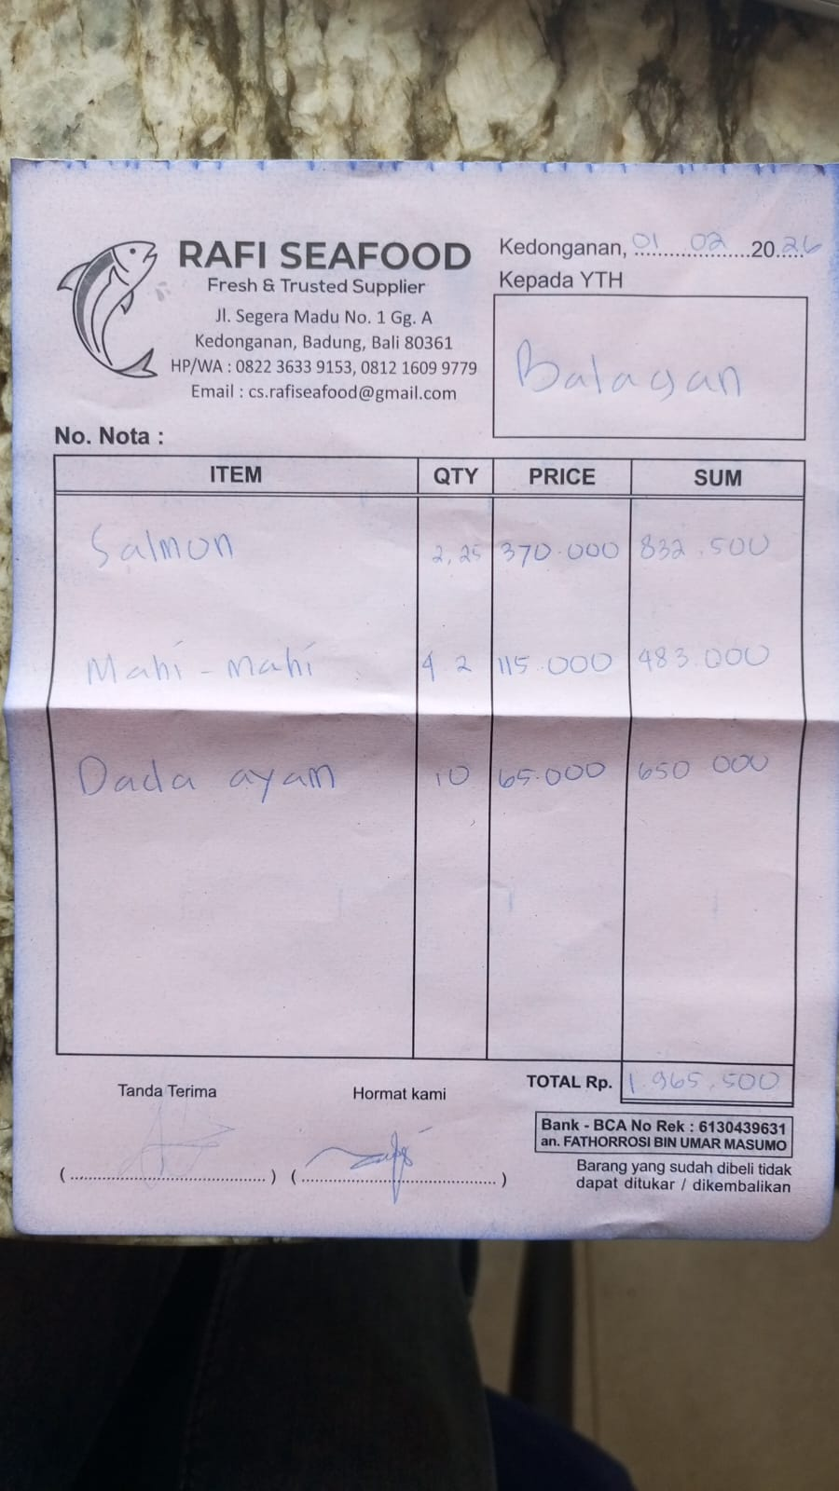 | IDR 832,500 | IDR 1,965,500
 | MAHI-MAHI | 4.2 | IDR 115,000 |  | IDR 483,000
 | CHICKEN BREAST | 10 | IDR 65,000 |  | IDR 650,000
2-Feb-2026 | PRAWN | 5 | IDR 185,000 | 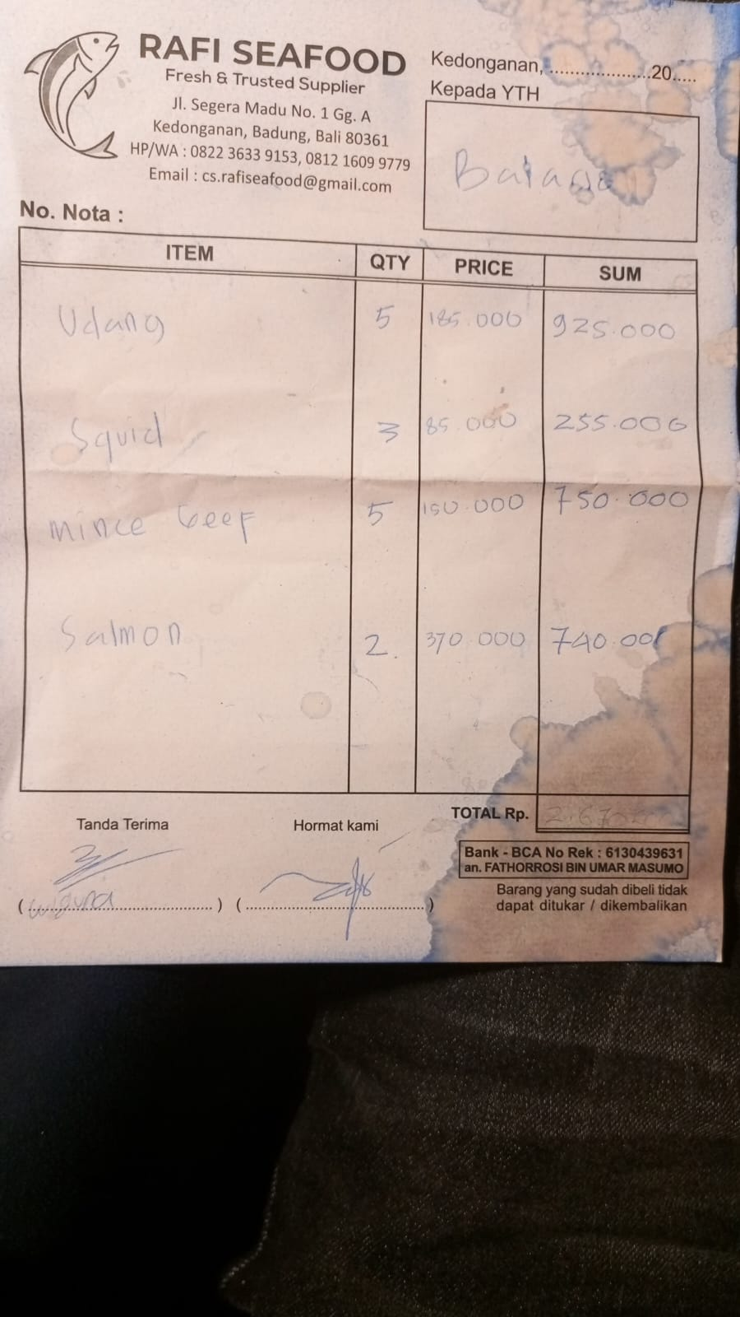 | IDR 925,000 | IDR 2,670,000
 | SQUID | 3 | IDR 85,000 |  | IDR 255,000
 | MINCED BEEF | 5 | IDR 150,000 |  | IDR 750,000
 | SALMON | 2 | IDR 370,000 |  | IDR 740,000
6-Feb-2026 | TUNA | 6.8 | IDR 115,000 | 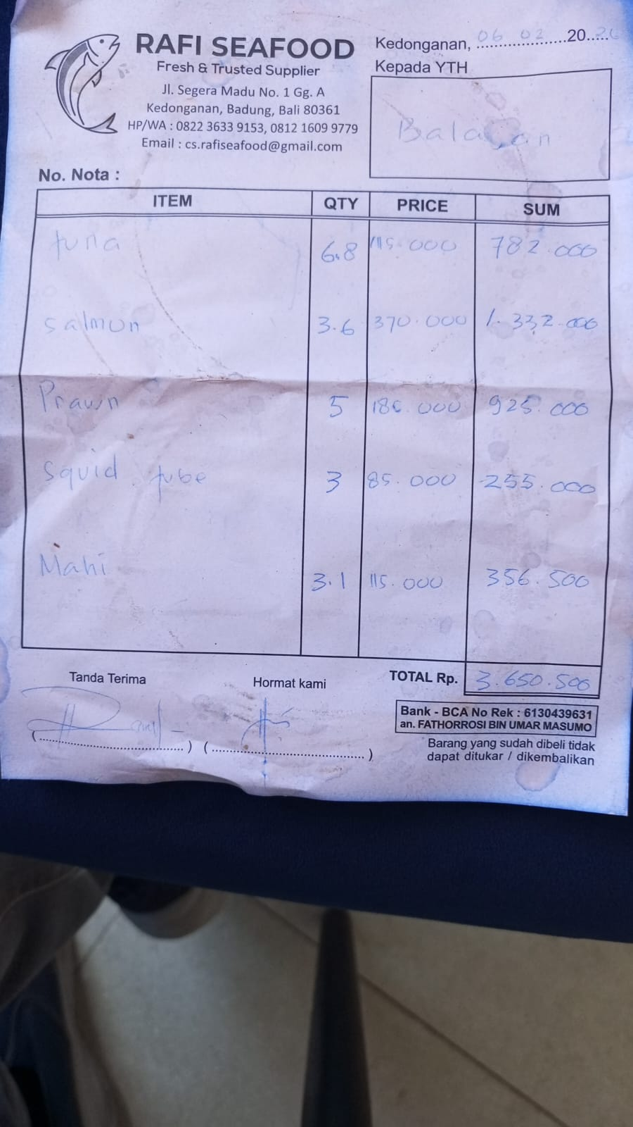 | IDR 782,000 | IDR 3,650,500
 | SALMON | 3.6 | IDR 370,000 |  | IDR 1,332,000
 | PRAWN | 5 | IDR 185,000 |  | IDR 925,000
 | SQUID TUBE | 3 | IDR 85,000 |  | IDR 255,000
 | MAHI-MAHI | 3.1 | IDR 115,000 |  | IDR 356,500

 |  |  | Rp8,286,000

KSP (Chicken)
DATE | INV NO. | DESCRIPTIONS | QTY | BILLS | PRICE | SUB TOTAL | TOTAL
3-Feb-2026 | BO0365/PRN-R/2026 | BONELESS BREAST TK SP | 10.2 | 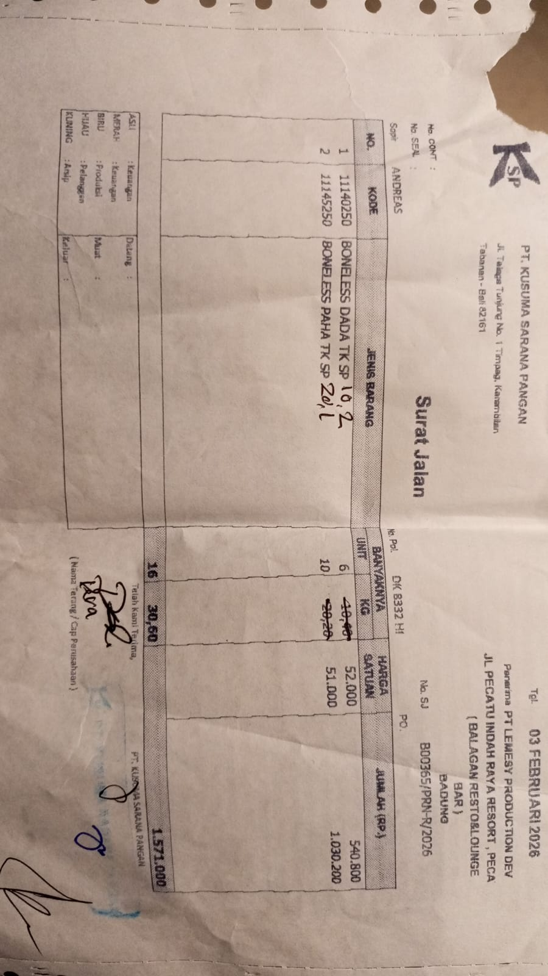 | IDR 52,000 | IDR 530,400 | IDR 1,555,500
 |  | BONELESS LEG TK SP | 20.1 |  | IDR 51,000 | IDR 1,025,100
6-Feb-2026 | BO0412/PRN-R/2026 | BONELESS BREAST TK SP | 5.1 | 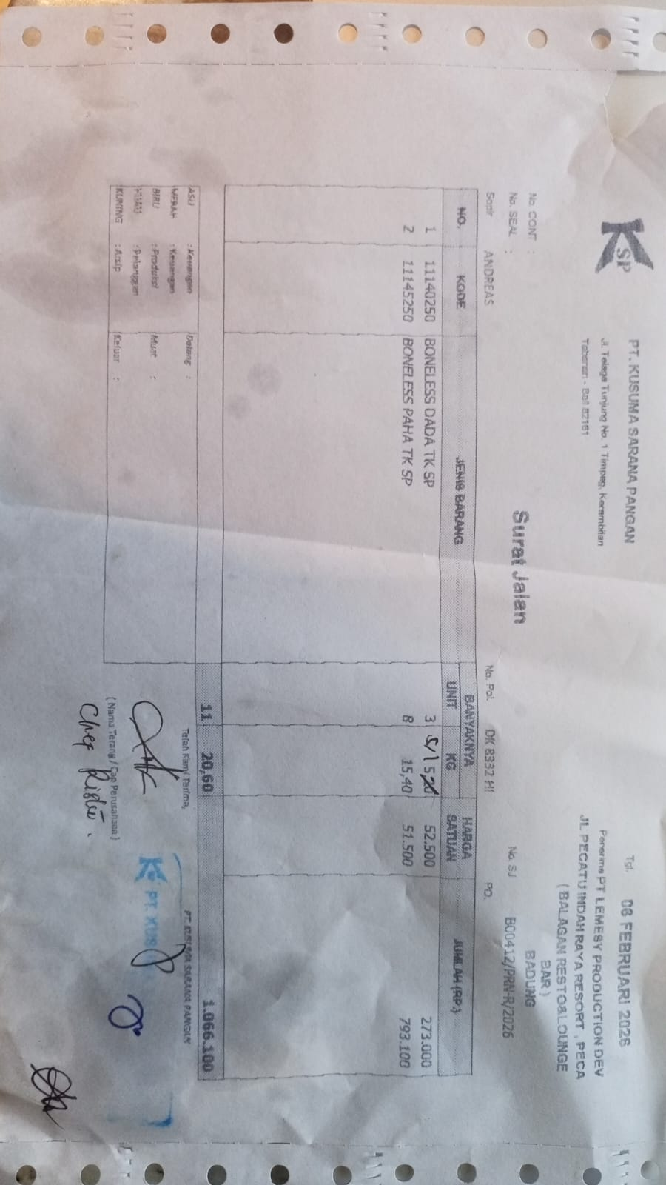 | IDR 52,500 | IDR 267,750 | IDR 1,060,850
 |  | BONELESS LEG TK SP | 15.4 |  | IDR 51,500 | IDR 793,100
 |  |  |  |  |  | IDR -
 |  |  |  |  |  | IDR -
 |  |  |  |  |  | IDR -
 |  |  |  |  |  | Rp-
 |  |  |  |  |  | Rp-
 |  |  |  |  |  | Rp-
 |  |  |  |  |  | Rp-
 |  |  |  |  |  |  | Rp2,616,350

SURYA CIPTA NIAGA BALI (Beef)
DATE | INV NO. | DESCRIPTIONS | QTY | BILLS | PRICE | SUBTOTAL | TOTAL | DUE DATE

6-Feb-2026 | 2602/FK-0599 | COW MEAT | 5.02 | 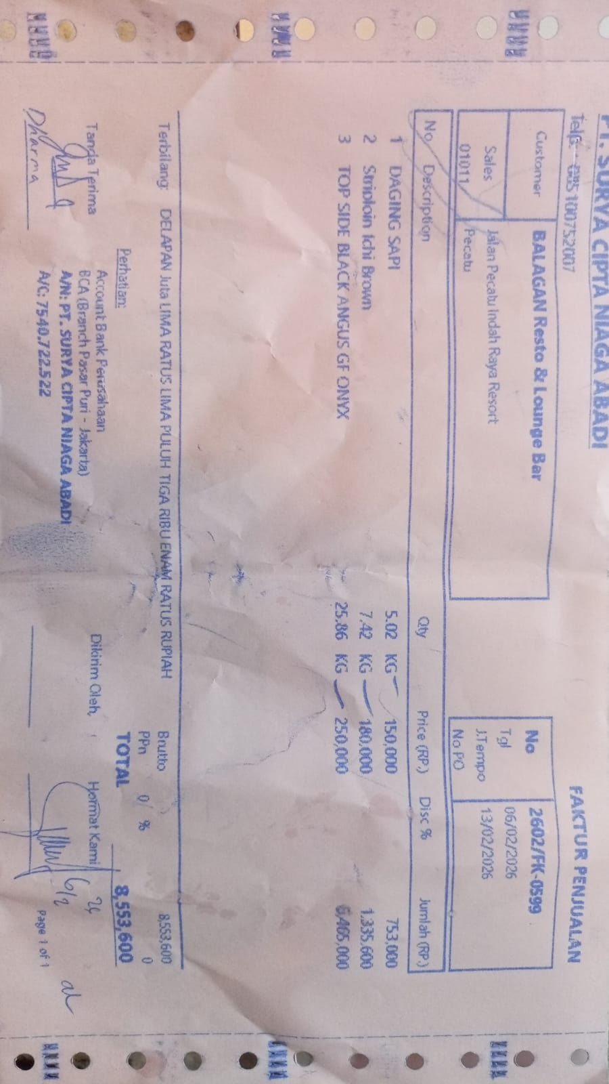 | Rp150,000 | Rp753,000 | Rp8,553,600 | 2026-02-13
 |  | STRIPLOIN ICHI BROWN | 7.42 |  | Rp180,000 | Rp1,335,600
 |  | TOP SIDE BLACK ANGUS GF ONYX | 25.86 |  | Rp250,000 | Rp6,465,000
 |  |  |  |  |  |  | Rp-

 |  |  |  |  |  | Rp- | Rp-
TOTAL |  |  |  |  |  | Rp8,553,600

